Lipid Infla PSA BMI
INPUT YOUR DATA INTO THE YELLOW FIELDS. TRACK YOUR PROGRESS . BEFORE STARTING ERASE THE SAMPLE FIELDS IN YELLOW.
LIPID PANELS
DATE | CHOLESTEROL | TRIGLYCERIDES | HDL | LDL | Tri/HDL (Best CVD Prediction) | C/HDL | LDL/HDL | REMNANT CHOL (est.) | rem / hdl est. calc.
Stnd. Ref Range (mg/dl) | 100-199 | 0-149 | => 60 | <100 | <1.2=ideal | <4.5=good | <3.5=good | <14= GOOD | <0.25=good
Cardio IQ Ref Rnge | <200 | <150 | >40 | <100 |  | < 5.0
2020-01-01 | 1 | 1 | 1 | 1 | 1.00 | 1.00 | 1.00 | (1.00) | (1.00)
date | 1 | 1 | 1 | 1 | 1.00 | 1.00 | 1.00 | (1.00) | (1.00)
date | 1 | 1 | 1 | 1 | 1.00 | 1.00 | 1.00 | (1.00) | (1.00)
date | 1 | 1 | 1 | 1 | 1.00 | 1.00 | 1.00 | (1.00) | (1.00)
date | 1 | 1 | 1 | 1 | 1.00 | 1.00 | 1.00 | (1.00) | (1.00)
2020-02-06 16:25:28 | 1 | 1 | 1 | 1 | 1.00 | 1.00 | 1.00 | (1.00) | (1.00)

months between testing | % change
1.22 | 0.0% | 0.0% | 0.0% | 0.0% | 0.0% | 0.0% | 0.0% | 0.0% | 0.0%

Alternative method (mmol / L)
mmol / L (measured) | 4.780 | 0.813 | 1.660 | 2.770 | 0.490
Ref Range( mmol/L) | <5.5 | <1.5 | >1.3 | <3.5 | <1.13
CARDIO IQ® ADVANCED LIPID PANEL |  | LDL+VLDL (Non HDL C) | LDL p LDL Particle Number |  | LDL Small |  | LDL MEDIUM |  | HDL LARGE | REAL LDL Size Pattern | LDL PEAK SIZE | Lp(a)
 |  | MG/DL | nmol/L |  | nmol/L |  | nmol/L |  | nmol/L |  | Angstrom | nmol/L
RISK FOR : T2D+1 MAJOR ASCVD FACTOR |  | <100 | Optimal Risk <1138 Moderate 1138-1409 High > 1409 |  | Optimal Risk <142 Moderate 142 - 219 High > 219 |  | Optimal Risk <215 Moderate 215 - 301 High > 301 |  | Optimal Risk <6729 Moderate 6729-5353 High < 5353 | Risk: Optimal Pattern A High Pattern B | Risk: Optimal > 222.9 Moderate 222.9-217.4 High < 217.4 | Risk: Optimal <75 Moderate 75-125 High > 125
date |  | - | 0 |  | 0 |  | 0 |  | 0 | A | 0 | 0

Artherogenic Index of Plasma |  | <0.11 | 0.11-0.21 | >0.21 |  |  |  |  |  | −0.3 to 0.1 for low risk, 0.1 to 0.24 for medium, and more than 0.24 for high risk of CVD [20]. For the fasting blood glucose, it can be classified as following: values <6.1 mmol/L are normal, and values ≥6.1 mmol/L are high [21].
Risk of CVD > |  | Low | Medium | Elevated
date
date
date
date
date

Inflamation |  | date | date | date | date | date
Homocysteine (<7.0) [Bredesen: if >6.0 = inflammation assoc. w/CVD] | umol/L
ANA
Sed rate (0-20 MM/HR) | MM/HR
total CK (39-308) | U/L
Albumin / globulin(> 1.8) [Bredesen: lower w/inflammation] | ratio
CRP
Magnesium (Serum) 5.2-6.5 [Bredsen: low in T2D & chronic inflammation]

Insulin / glucose |  | date | date | date | date | date
Glucose (70-90) [Bredesen: >90= IR | mg/dl
Insulin (s/b <4.5) | uU/ml
Hg A1C (ADA<5.7 or PreDiab; Dr.B<5.6) | %

PSA | date | date | date | date | date | date | date
@70 YRS <4.1
FREE PSA

BMI | date | date | date | date | date | date | date
Norm (18.5-24.9)

 | BMI
Underweight | Below 18.5
Normal | 18.5–24.9
Overweight | 25.0–29.9
Obesity | 30.0 and Above

FREE PSA SCORES:
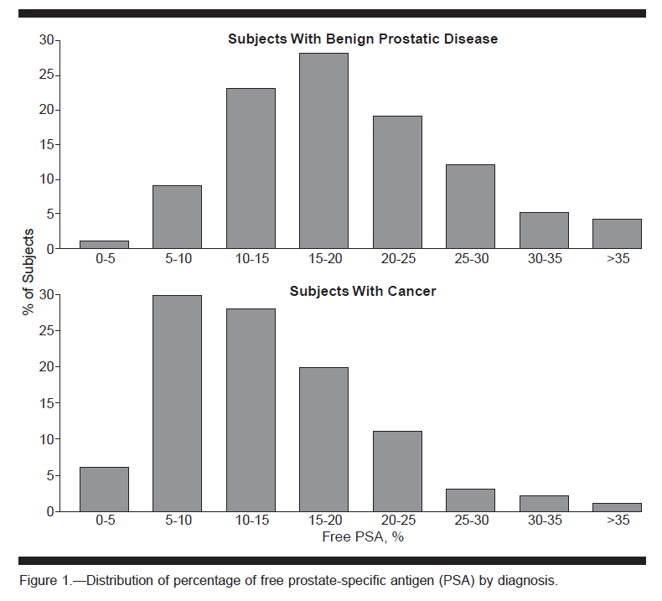

 |  |  |  |  |  |  |  |  | `

COPY AND PASTE YOUR CHOLESTEROL CODE REPORT HERE
2019-08-29
--===== CholesterolCode.com/Report v0.9.5.15 =====--
• Male • 71 • Coffee: 1 cups/day •
• 21 on months on LCHF (20g to 120g carbs) •
• 14h water fasted • Cholesterol Rx: false •

Total Cholesterol: | 158 mg/dL | 4.09 mmol/L
LDL Cholesterol: | 74 mg/dL | 1.91mmol/L
HDL Cholesterol: | 75 mg/dL | 1.94mmol/L
TG Cholesterol: | 49 mg/dL | 0.55mmol/L

---------RISK REPORT---------
Atherogenic Index of Plasma: | -0.547 mg/dL | >>> Lowest Risk Third
----> Go to https://tinyurl.com/ycccmmnx for more on AIP

Framingham Offspring: | 0.6 Odds Ratio | >>> Very Low Risk
----> Go to https://tinyurl.com/y5fc5adl for more on this Framingham study

Jeppesen: | >>> Lowest Risk Third
----> Go to https://tinyurl.com/y63xp7lj for more on the Jeppesen study

Cholesterol Remnants: | 9 mg/dL | >>> 0.11 mmol/L | >>> Very Low Risk
----> Go to https://tinyurl.com/y84u92wm for more on Cholesterol Remnants

------CONVENTIONAL MARKERS AND RATIOS------
Friedewald LDL-C: 73 | Iranian LDL-C: 52
TC/HDL Ratio in mg/dL: 2.11
TG/HDL Ratio in mg/dL: 0.65 | TG/HDL Ratio in mmol/L: 0.28

